Test Case 1
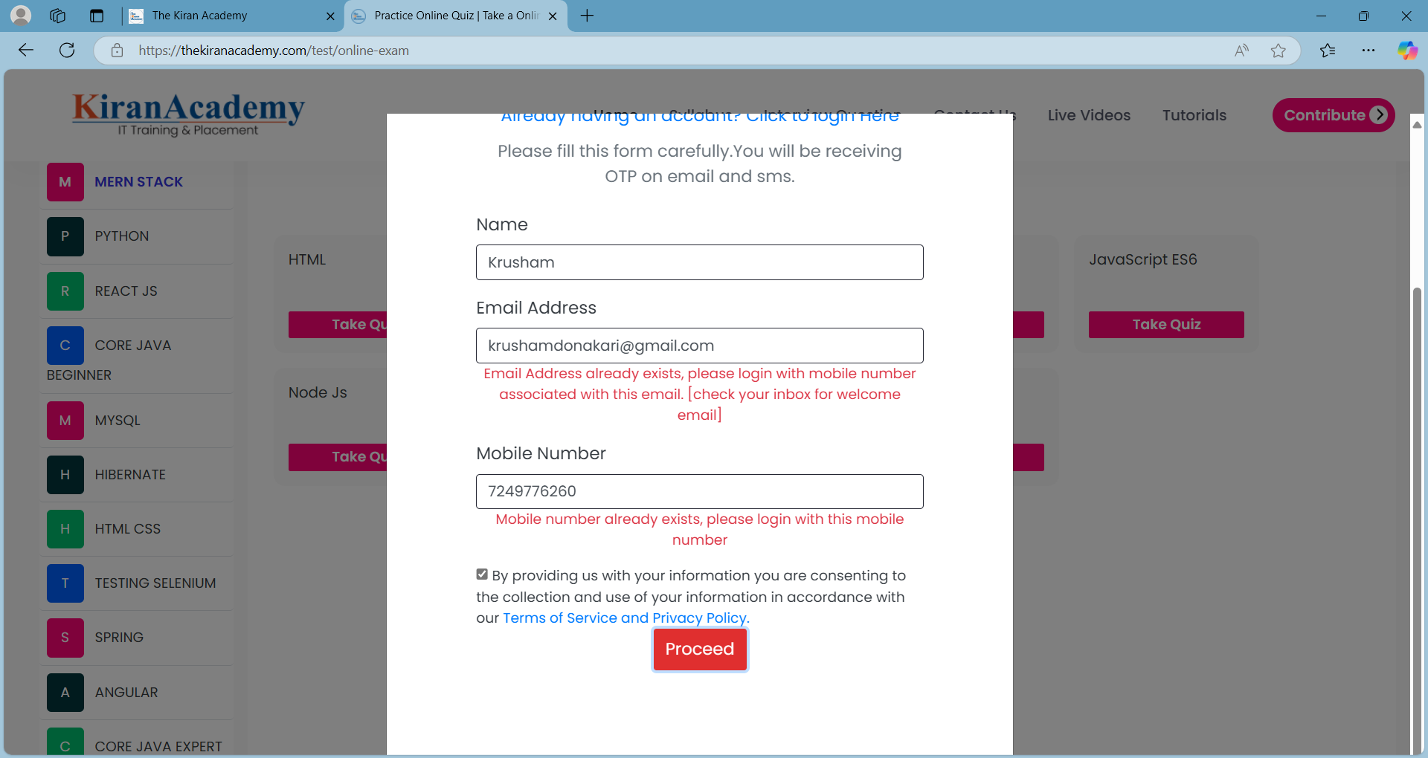
Detailed Test Case
Test Case ID :- TC_01(CA) | Test Reviewer's Name : - | Product Name :- thekiranacademy.com/test
Test Case Name :- To Test Create Account Functionality, when user enters Invalid Name, Invalid Email, Invalid Mobile Number & Click Proceed button, Error message should be display. | Test Review Date :- | Operating System :-
Test Scenario :- To Test Create Account Functionality | Test Reviewer's Email Address :- | Operating System Version :-
PreCondition :- Open the (https://thekiranacademy.com/test) website in the browser. | Tester Name :- | Browser Name :-
Test Creator's Name :- Krusham Donakari | Testing Date :- | Browser Version :-
Test Creation Date :- 26 Nov 2024 | Tester's Email Address :- | Type of Testing :- Functionality Testing
Test Creator's Email Address :- krushamdonakari@gmail.com
Document Used :- BRD_1

Test Step Number | Test Steps | Test Data | Expected Result
1 | Click on "Test" button. |  | Different topics tab should appear on screeen.
2 | Click on "Manual Testing" Quiz Tab |  | Take a quiz option appears on the screen.
3 | Click on "Black Box Testing" |  | Test window should appear with option to select questions
4 | Select 10 Questions |  | 10 questions radio button should be get selected.
5 | Click on "Next" button |  | Login Page should be Appear.
6 | Click on "Not having an account? Register Here" link |  | SignUp page should be Appear.
7 | Click in "Name" textbox & Enter a name | am | Name should be entered in name textbox
8 | Click on "Email Address" textbox & enter invalid email | arigmail.com | Email should be entered in textbox.
9 | Click on "Mobile Number" textbox & enter invalid mobile number | 7894896355 | Mobile number should be entered in textbox.
10 | Click in "Terms & Conditions" Checkbox |  | Checkbox should be selected
11 | Click on "Proceed" button |  | Error Message for 'Enter Valid Email, Enter Valid Mobile Number' should be displayed.

